INFORMATION
 | Gastroenterology
 | Specialty Foundation Phase Learning Plan

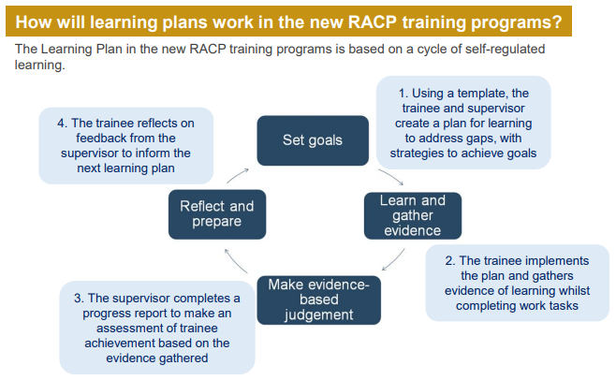
Self-directed learning
You can use this learning plan to optimise your workplace learning and note your learning gaps, and plans to address these, against the new curriculum standards. Discuss with your supervisor to consider what learning opportunities are available to achieve your learning goals.
Please refer to Self-directed learning at-a-glance for further information.
A learning plan can help you to:
• explicitly document self-assessment of your learning gaps, goal setting, and strategies to address and achieve goals • proactively take control of your learning and career trajectories • enhance awareness into your own areas of strengths and gaps • make the most of learning opportunities available to you in your training setting, including conversations with supervisors.
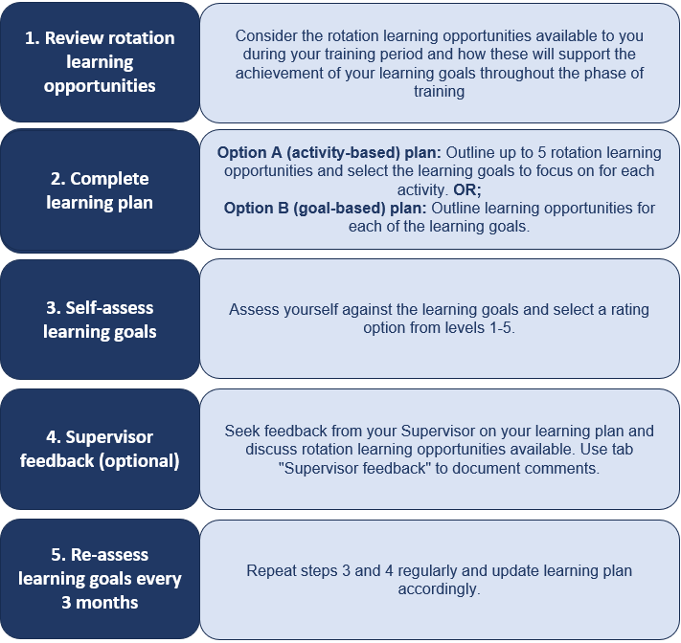

 |  | Additional Resources
 |  | 2024 program overview – Gastroenterology (PDF)
 |  | 2024 program handbook – Gastroenterology (PDF)
 |  | Curriculum standards – Gastroenterology (PDF)
 |  | Competency-based medical education at-a-glance (PDF)
 |  | Programmatic assessment at-a-glance (PDF)

 |  | Support
 |  | Contact Gastroenterology@racp.edu.au or Gastroenterology@racp.org.nz if you have any questions.

 |  | If you would like to provide feedback to improve this template, please contact curriculum@racp.edu.au.

Submission
You should keep a record of your learning plan. The plan is intended to be a living document which should be updated regularly. You are not required to submit the learning plan to the College.

Option A (activity-based)
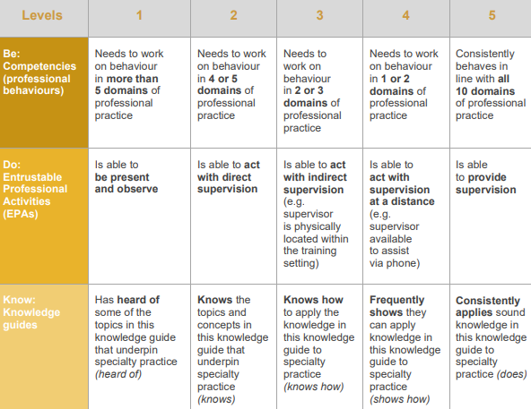
 | Gastroenterology
 | Specialty Foundation Phase Learning Plan

Trainee information
Name
MIN
Email

Rotation information
Start date
End date
Training Setting
Region / State / Territory
Position
Full-time Equivalent (%)
Rotation Description
Education Supervisor (1)
Education Supervisor (2)

ROTATION LEARNING OPPORTUNITIES |  | LEARNING GOALS | TRAINEE SELF-ASSESSMENT Note your progress against the selected learning goals by choosing the most appropriate level descriptor from the above table
 |  |  | Start of Phase | Checkpoint 1 (3-month) | Checkpoint 2 (6-month) | Checkpoint 3 (9-month) | End of Phase
Outline everyday work-tasks that will support you to achieve your learning goals throughout the phase e.g., regular clinics, grand rounds, ward rounds, journal clubs |  | Select up to 5 learning goals for each learning opportunity and regularly self-assess throughout the phase | <enter date> | <enter date> | <enter date> | <enter date> | <enter date>
Learning opportunity 1

Learning opportunity 2

Learning opportunity 3

Learning opportunity 4

Learning opportunity 5

